Sheet1
Group 7 Project Format

 |  | Movie Statistics by Year |  |  |  |  |  |  |  | Individual movie data
 |  |  |  | Top-10 Grossing movies
 | 2017 |  |  |  |  |  |  | Filters: | Title | Year | Director | Actors | Plot | Box office | Rating
 |  |  |  |  |  |  |  | Year | A | 2019 | AB | IJ, KL | Lorem | $4,500 | 1.4
 |  |  |  |  |  |  |  | Genre | B | 1975 | CD | MN, OP | Ipsum | $1,000 | 2.4
 |  |  |  |  |  |  |  | Actor | C | 1987 | EF | QR, ST | Blah | $1,500 | 4.6
 |  |  |  |  |  |  |  | Director | D | 2001 | GH | UV, WX | Hello | $2,500 | 3.5

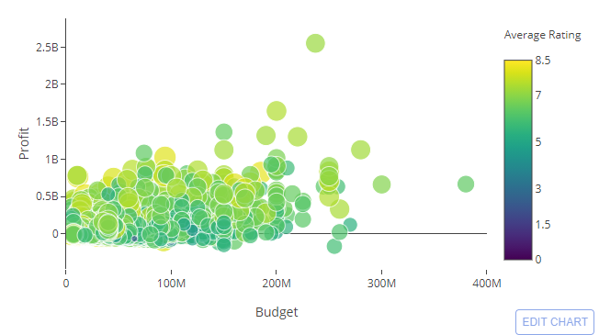
 |  |  |  |  |  |  |  |  | and | so | on

 | Profit

 |  |  | Budget

 |  |  |  |  | Movie Success - What makes a movie a success?
 |  |  |  | 2017

 |  |  |  |  |  |  |  |  | Gross revenue doesn't
 |  |  |  | Average Revenue |  |  |  |  | necessarily make it an
 |  |  |  |  |  |  |  |  | Oscar winner

 |  |  |  |  |  | Oscar | Non-Oscar

 |  |  |  |  |  |  |  |  | Budget doesn't necessarily
 |  |  |  | Average Budget |  |  |  |  | make it an Oscar winner

 |  |  |  |  |  | Oscar | Non-Oscar

 |  |  |  |  |  |  |  |  | Ratings can somewhat
 |  |  |  | Average Ratings |  |  |  |  | predict an Oscar winner

 |  |  |  |  |  | Oscar | Non-Oscar

